Introduction
Monitoring, Evaluation, Accountability, Learning (MEAL) 2016 Dashboard Updated March 2018
SUN Movement stakeholders seek to demonstrate how their work and resources are converted into results that deliver nutrition impacts for children and women. The Monitoring, Evaluation, Accountability and Learning (MEAL) system provides the backbone to measure the Theory of Change of the SUN Movement (see figure below) and is well suited to the systemic nature of changes that SUN countries seek to catalyze. With input from the MEAL Advisory Groupi, the SUN Movement Secretariat has developed a Results Framework that includes key indicators grouped under each step in the Theory of Change. This Dashboard tool provides a summary of country results at baseline (2016) using a colour-coded method of classification (refer to the Dashboard Guidance Note for more details on methods and limitations of the appraoch). It is designed to support SUN Movement stakeholders at national, regional and global levels to assess progress using a standard set of indicators that cover eight domains of the Theory of Change.
This file includes the following spreadsheets:
The Global List of MEAL Indicators provides a summary of the baseline classification of country performance for key indicators. This allows the user to compare performance across countries for a specific indicator or to look at one country’s performance across a range of indicators.
The Performance Analysis by Country seeks to compare scoring across the key domains in the MEAL Results Framework based on all indicators with available data.
The Overall Scoring by Country is based on MEAL indicators for which at least 75% of countries have data coverage. The overall scoring of countries is based on combined numbers of good and moderate values. Countries with low scores have poor and critically poor values on a wide spectrum of indicators and are also missing data for a number of them. Countries can also be listed by region, income classification, humanitarian status and year of joining the SUN Movement.
More details available on the SUN Movement website: http://scalingupnutrition.org/progressimpact/monitoring-evaluation-accountability-learningmeal/
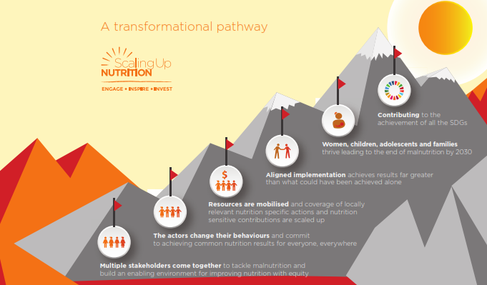

This work was supported by Nutrition International, formerly the Micronutrient Initiative (MI), under its UK Department for International Development-supported Technical Assistance for Nutrition project.

